Output
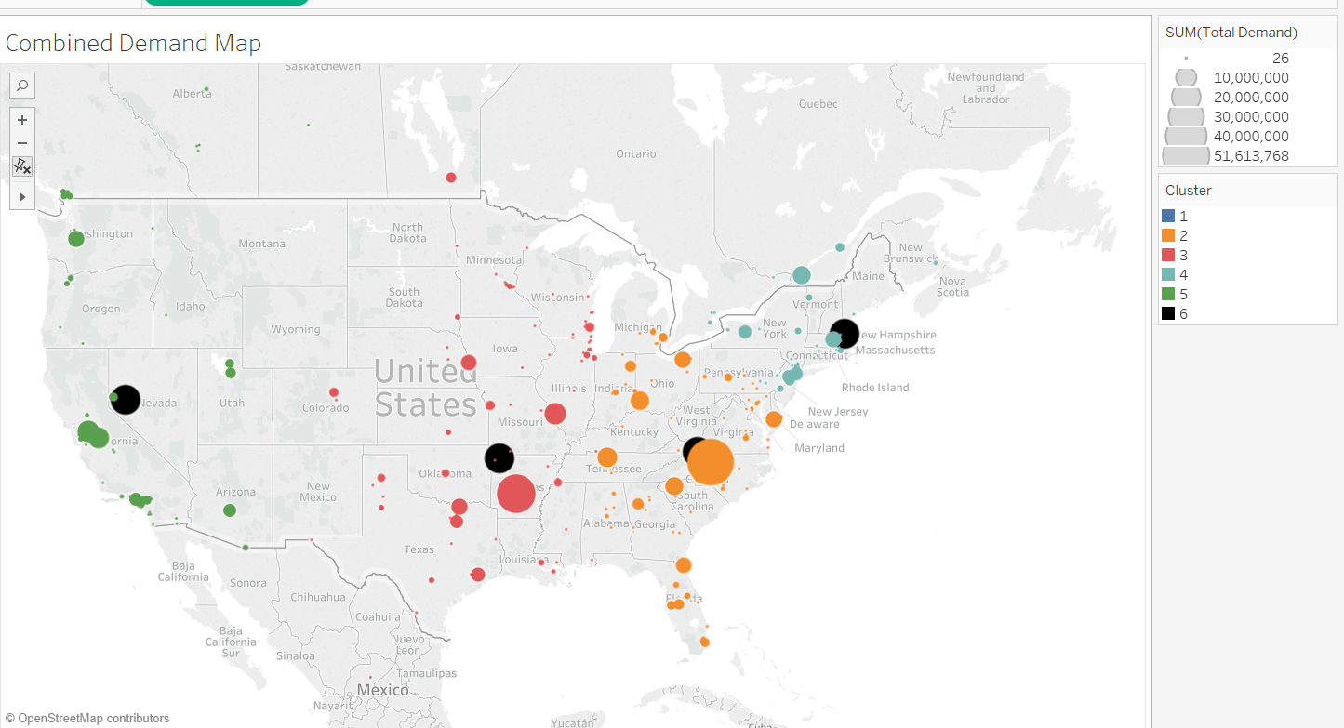
Row Labels | Count of min_distance | Min of min_distance2 | Max of min_distance2 | Average of min_distance2 | Sum of Total_Demand
1 | 9 | 425.98520826 | 6410.7999986 | 2658.7008997 | 1195012.82
2 | 154 | 69.332687824 | 2446.6462531 | 535.89937986 | 57172214.674
3 | 157 | 27.841809158 | 2435.3916816 | 690.15889837 | 34064520.65
4 | 94 | 22.865084779 | 5461.7518768 | 506.08199531 | 25718105.302
5 | 123 | 73.220392355 | 4196.4223978 | 728.70791115 | 27055290.991
(blank)
Grand Total | 537 | 22.865084779 | 6410.7999986 | 655.52055916 | 145205144.44

Cluster No | Min distance | Max distance | Average distance | Total_Demand | 50 % of Total demand | 80 % of Total demand | Acquirer | Target | count of destinations | Latitude of centroid | longitude of Centroid
1 | 425.98520826 | 6410.7999986 | 2658.7008997 | 1195012.82 | Non significant cluster | Non significant cluster | 5 | 4 | 9 | 18.57214822 | 113.7301
2 | 69.332687824 | 2446.6462531 | 535.89937986 | 57172214.674 | 254 Km | 538 Km | 57 | 97 | 154 | 36.64839778 | -80.7019
3 | 27.841809158 | 2435.3916816 | 690.15889837 | 34064520.65 | 381 KM | 780 KM | 31 | 126 | 157 | 36.29176593 | -93.9571
4 | 22.865084779 | 5461.7518768 | 506.08199531 | 25718105.302 | 390KM | 543 KM | 29 | 65 | 94 | 42.68621519 | -70.8597
5 | 73.220392355 | 4196.4223978 | 728.70791115 | 27055290.991 | 610KM | 911 KM | 17 | 106 | 123 | 39.3616227 | -118.93

